AC_ACOSTADO
B
A
A
B

epochs | dropout | activation | optimization | neurons | batch_size | hidden_layers | CORRELATION | FISHER | DES EST | epochs | dropout | activation | optimization | neurons | batch_size | hidden_layers | CORRELATION | FISHER | DES EST
30 | 1.0 | tanh | Adam | 10 | 1 | 3 | nan | nan | 0.1494683972 | 40 | 1.0 | tanh | Adam | 10 | 1 | 3 | 0.19545306283 | 0.19800060828 | 0.058554371956
40 | 1.0 | tanh | Adam | 10 | 1 | 3 | nan | nan |  | 50 | 1.0 | tanh | Adam | 10 | 1 | 3 | 0.18489183357 | 0.18704297287
20 | 1.0 | tanh | Adam | 10 | 1 | 3 | 0.36394242865 | 0.38142277478 |  | 20 | 1.0 | tanh | Adam | 10 | 1 | 3 | 0.14642960149 | 0.14748983823
50 | 1.0 | tanh | Adam | 10 | 1 | 3 | 0.15373682773 | 0.15496548963 |  | 30 | 1.0 | tanh | Adam | 10 | 1 | 3 | 0.094718360495 | 0.095003152491
10 | 1.0 | tanh | Adam | 10 | 1 | 3 | 0.098872327577 | 0.099196413917 |  | 10 | 1.0 | tanh | Adam | 10 | 1 | 3 | 0.061957243319 | 0.06203670484

epochs | dropout | activation | optimization | neurons | batch_size | hidden_layers | CORRELATION | FISHER | DES EST | epochs | dropout | activation | optimization | neurons | batch_size | hidden_layers | CORRELATION | FISHER | DES EST
20 | 1.0 | softplus | Adam | 10 | 1 | 3 | nan | nan | 0.14654118145 | 40 | 1.0 | softplus | Adam | 10 | 1 | 3 | nan | nan | 0.13425624565
20 | 1.0 | linear | Adam | 10 | 1 | 3 | nan | nan |  | 40 | 1.0 | linear | Adam | 10 | 1 | 3 | nan | nan
20 | 1.0 | softsign | Adam | 10 | 1 | 3 | 7.5968515345E-09 | 7.5968515039E-09 |  | 40 | 1.0 | tanh | Adam | 10 | 1 | 3 | 0.27343988987 | 0.28057793682
20 | 1.0 | tanh | Adam | 10 | 1 | 3 | 0.21572291294 | 0.21916589182 |  | 40 | 1.0 | sigmoid | Adam | 10 | 1 | 3 | 0.041226174517 | 0.041249554331
20 | 1.0 | hard_sigmoid | Adam | 10 | 1 | 3 | -0.12857468799 | -0.12929030835 |  | 40 | 1.0 | hard_sigmoid | Adam | 10 | 1 | 3 | 0.002885566474 | 0.0028855744829
20 | 1.0 | sigmoid | Adam | 10 | 1 | 3 | -0.026199781762 | -0.026205778992 |  | 40 | 1.0 | softsign | Adam | 10 | 1 | 3 | -1.9297626041E-07 | -1.929762604E-07

epochs | dropout | activation | optimization | neurons | batch_size | hidden_layers | CORRELATION | FISHER | DES EST | epochs | dropout | activation | optimization | neurons | batch_size | hidden_layers | CORRELATION | FISHER | DES EST
20 | 1.0 | tanh | SGD | 10 | 1 | 3 | nan | nan | 0.19690269631 | 40 | 1.0 | tanh | SGD | 10 | 1 | 3 | nan | nan | 0.29588710625
20 | 1.0 | tanh | RMSprop | 10 | 1 | 3 | nan | nan |  | 40 | 1.0 | tanh | Adam | 10 | 1 | 3 | nan | nan
20 | 1.0 | tanh | Adadelta | 10 | 1 | 3 | 3.7984257518E-08 | 3.7984257518E-09 |  | 40 | 1.0 | tanh | Adagrad | 10 | 1 | 3 | 0.60262864603 | 0.69726461001
20 | 1.0 | tanh | Adagrad | 10 | 1 | 3 | 0.47159587032 | 0.51212066445 |  | 40 | 1.0 | tanh | RMSprop | 10 | 1 | 3 | 0.41170177963 | 0.43765859735
20 | 1.0 | tanh | Adam | 10 | 1 | 3 | 0.37179181207 | 0.39050071766 |  | 40 | 1.0 | tanh | Adamax | 10 | 1 | 3 | 0.36674006273 | 0.38465134288
20 | 1.0 | tanh | Adamax | 10 | 1 | 3 | 0.33385355289 | 0.34715895154 |  | 40 | 1.0 | tanh | Nadam | 10 | 1 | 3 | 0.02317940437 | 0.023183557023
20 | 1.0 | tanh | Nadam | 10 | 1 | 3 | 0.19643073453 | 0.19901731472 |  | 40 | 1.0 | tanh | Adadelta | 10 | 1 | 3 | -1.8957365457E-07 | -1.8957365457E-07

epochs | dropout | activation | optimization | neurons | batch_size | hidden_layers | CORRELATION | FISHER | DES EST | epochs | dropout | activation | optimization | neurons | batch_size | hidden_layers | CORRELATION | FISHER | DES EST
20 | 1.0 | tanh | Adagrad | 30 | 1 | 3 | nan | nan | 0.13765274471 | 40 | 1.0 | tanh | Adagrad | 10 | 1 | 3 | 0.40570452862 | 0.43045863885 | 0.15692055444
20 | 1.0 | tanh | Adagrad | 40 | 1 | 3 | nan | nan |  | 40 | 1.0 | tanh | Adagrad | 20 | 1 | 3 | 0.29066371398 | 0.2992910738
20 | 1.0 | tanh | Adagrad | 50 | 1 | 3 | nan | nan |  | 40 | 1.0 | tanh | Adagrad | 30 | 1 | 3 | -1.8957365457E-07 | -1.8957365457E-07
20 | 1.0 | tanh | Adagrad | 60 | 1 | 3 | nan | nan |  | 40 | 1.0 | tanh | Adagrad | 40 | 1 | 3 | -1.8957365457E-07 | -1.8957365457E-07
20 | 1.0 | tanh | Adagrad | 70 | 1 | 3 | nan | nan |  | 40 | 1.0 | tanh | Adagrad | 50 | 1 | 3 | -1.8957365457E-07 | -1.8957365457E-07
20 | 1.0 | tanh | Adagrad | 80 | 1 | 3 | nan | nan |  | 40 | 1.0 | tanh | Adagrad | 60 | 1 | 3 | -1.8957365457E-07 | -1.8957365457E-07
20 | 1.0 | tanh | Adagrad | 90 | 1 | 3 | nan | nan |  | 40 | 1.0 | tanh | Adagrad | 70 | 1 | 3 | -1.8957365457E-07 | -1.8957365457E-07
20 | 1.0 | tanh | Adagrad | 100 | 1 | 3 | nan | nan |  | 40 | 1.0 | tanh | Adagrad | 80 | 1 | 3 | -1.8957365457E-07 | -1.8957365457E-07
20 | 1.0 | tanh | Adagrad | 10 | 1 | 3 | 0.55494323217 | 0.62549623756 |  | 40 | 1.0 | tanh | Adagrad | 90 | 1 | 3 | -1.8957365457E-07 | -1.8957365457E-07
20 | 1.0 | tanh | Adagrad | 20 | 1 | 3 | 0.40601126012 | 0.4308258591 |  | 40 | 1.0 | tanh | Adagrad | 100 | 1 | 3 | -1.8957365457E-07 | -1.8957365457E-07

epochs | dropout | activation | optimization | neurons | batch_size | hidden_layers | CORRELATION | FISHER | DES EST | epochs | dropout | activation | optimization | neurons | batch_size | hidden_layers | CORRELATION | FISHER | DES EST
20 | 1.0 | tanh | Adagrad | 10 | 199 | 3 | nan | nan | 0 | 40 | 1.0 | tanh | Adagrad | 10 | 199 | 3 | 1.8957365459E-07 | 1.8957365459E-07 | 0.42984641314
20 | 1.0 | tanh | Adagrad | 10 | 1 | 3 | 0.48291673045 | 0.52678113333 |  | 40 | 1.0 | tanh | Adagrad | 10 | 1 | 3 | 0.54264350903 | 0.60789481677

epochs | dropout | activation | optimization | neurons | batch_size | hidden_layers | CORRELATION | FISHER | DES EST | epochs | dropout | activation | optimization | neurons | batch_size | hidden_layers | CORRELATION | FISHER | DES EST
20 | 1.0 | tanh | Adagrad | 10 | 1 | 4 | nan | nan | 0.12993440705 | 40 | 1.0 | tanh | Adagrad | 10 | 1 | 2 | 0.71458555566 | 0.89649217863 | 0.4429622348
20 | 1.0 | tanh | Adagrad | 10 | 1 | 5 | nan | nan |  | 40 | 1.0 | tanh | Adagrad | 10 | 1 | 3 | 0.51114618688 | 0.56428010596
20 | 1.0 | tanh | Adagrad | 10 | 1 | 2 | 0.58925906787 | 0.67653025563 |  | 40 | 1.0 | tanh | Adagrad | 10 | 1 | 4 | -1.8957365457E-07 | -1.8957365457E-07
20 | 1.0 | tanh | Adagrad | 10 | 1 | 3 | 0.45641633889 | 0.49277525496 |  | 40 | 1.0 | tanh | Adagrad | 10 | 1 | 5 | -1.8957365457E-07 | -1.8957365457E-07

DM_PIE
B
A
A
B

epochs | dropout | activation | optimization | neurons | batch_size | hidden_layers | CORRELATION | FISHER | DES EST | epochs | dropout | activation | optimization | neurons | batch_size | hidden_layers | CORRELATION | FISHER | DES EST
40 | 1.0 | tanh | Adam | 10 | 1 | 3 | 0.5776083039600551 | 0.65886608715 | 0.12152781377 | 20 | 1.0 | tanh | Adam | 10 | 1 | 3 | 0.8093044806972071 | 1.12 | 0.099033853582
30 | 1.0 | tanh | Adam | 10 | 1 | 3 | 0.5590527507587074 | 0.63145422635 |  | 50 | 1.0 | tanh | Adam | 10 | 1 | 3 | 0.7500658728149907 | 0.97310565797
20 | 1.0 | tanh | Adam | 10 | 1 | 3 | 0.5186975428700851 | 0.57455624266 |  | 40 | 1.0 | tanh | Adam | 10 | 1 | 3 | 0.7480951513134458 | 0.96861527875
10 | 1.0 | tanh | Adam | 10 | 1 | 3 | 0.49536859189626214 | 0.54314986368 |  | 30 | 1.0 | tanh | Adam | 10 | 1 | 3 | 0.7221680091094208 | 0.91216133241
50 | 1.0 | tanh | Adam | 10 | 1 | 3 | 0.33648031819008634 | 0.35011814607 |  | 10 | 1.0 | tanh | Adam | 10 | 1 | 3 | 0.6931166558494087 | 0.85392929784

epochs | dropout | activation | optimization | neurons | batch_size | hidden_layers | CORRELATION | FISHER | DES EST | epochs | dropout | activation | optimization | neurons | batch_size | hidden_layers | CORRELATION | FISHER | DES EST
40 | 1.0 | softplus | Adam | 10 | 1 | 3 | nan | nan | 0.18911626541 | 20 | 1.0 | softplus | Adam | 10 | 1 | 3 | nan | nan | 0.51793512215
40 | 1.0 | softsign | Adam | 10 | 1 | 3 | nan | nan |  | 20 | 1.0 | linear | Adam | 10 | 1 | 3 | nan | nan
40 | 1.0 | tanh | Adam | 10 | 1 | 3 | nan | nan |  | 20 | 1.0 | tanh | Adam | 10 | 1 | 3 | 0.7779514212677082 | 1.04
40 | 1.0 | linear | Adam | 10 | 1 | 3 | nan | nan |  | 20 | 1.0 | sigmoid | Adam | 10 | 1 | 3 | 0.02323073430128808 | 0.023234914609
40 | 1.0 | hard_sigmoid | Adam | 10 | 1 | 3 | 0.46615792055290367 | 0.50515026743 |  | 20 | 1.0 | softsign | Adam | 10 | 1 | 3 | -2.7106315760645558e-08 | -2.7106315771E-08
40 | 1.0 | sigmoid | Adam | 10 | 1 | 3 | 0.23332163834844724 | 0.23769948002 |  | 20 | 1.0 | hard_sigmoid | Adam | 10 | 1 | 3 | -0.009736969761108348 | -0.0097372774947

epochs | dropout | activation | optimization | neurons | batch_size | hidden_layers | CORRELATION | FISHER | DES EST | epochs | dropout | activation | optimization | neurons | batch_size | hidden_layers | CORRELATION | FISHER | DES EST
40 | 1.0 | tanh | SGD | 10 | 1 | 3 | 4.736951450967716e-08 | 4.736951451E-08 | 0.38360940448 | 20 | 1.0 | tanh | SGD | 10 | 1 | 3 | nan | nan | 0.43499303843
40 | 1.0 | tanh | Adamax | 10 | 1 | 3 | 0.690659158264887 | 0.84921502484 |  | 20 | 1.0 | tanh | Adamax | 10 | 1 | 3 | 0.8184572982500055 | 1.15
40 | 1.0 | tanh | Adam | 10 | 1 | 3 | 0.6401389857686239 | 0.75840918966 |  | 20 | 1.0 | tanh | Adam | 10 | 1 | 3 | 0.8053955032119164 | 1.11
40 | 1.0 | tanh | RMSprop | 10 | 1 | 3 | 0.6301752783733714 | 0.74170682635 |  | 20 | 1.0 | tanh | RMSprop | 10 | 1 | 3 | 0.7942204836705803 | 1.08
40 | 1.0 | tanh | Adagrad | 10 | 1 | 3 | 0.6059183996723793 | 0.70244654413 |  | 20 | 1.0 | tanh | Nadam | 10 | 1 | 3 | 0.7282419399571647 | 0.92497388289
40 | 1.0 | tanh | Nadam | 10 | 1 | 3 | 0.17350123312397964 | 0.17527432041 |  | 20 | 1.0 | tanh | Adagrad | 10 | 1 | 3 | 0.6399035346421207 | 0.75801037193
40 | 1.0 | tanh | Adadelta | 10 | 1 | 3 | -4.7369514556526875e-08 | -4.7369514557E-08 |  | 20 | 1.0 | tanh | Adadelta | 10 | 1 | 3 | -6.776578940913297e-08 | -6.7765789409E-08

epochs | dropout | activation | optimization | neurons | batch_size | hidden_layers | CORRELATION | FISHER | DES EST | epochs | dropout | activation | optimization | neurons | batch_size | hidden_layers | CORRELATION | FISHER | DES EST
40 | 1.0 | tanh | Adamax | 20 | 1 | 3 | nan | nan | 0 | 20 | 1.0 | tanh | Adamax | 20 | 1 | 3 | nan | nan | 0
40 | 1.0 | tanh | Adamax | 30 | 1 | 3 | nan | nan |  | 20 | 1.0 | tanh | Adamax | 30 | 1 | 3 | nan | nan
40 | 1.0 | tanh | Adamax | 40 | 1 | 3 | nan | nan |  | 20 | 1.0 | tanh | Adamax | 40 | 1 | 3 | nan | nan
40 | 1.0 | tanh | Adamax | 50 | 1 | 3 | nan | nan |  | 20 | 1.0 | tanh | Adamax | 50 | 1 | 3 | nan | nan
40 | 1.0 | tanh | Adamax | 60 | 1 | 3 | nan | nan |  | 20 | 1.0 | tanh | Adamax | 60 | 1 | 3 | nan | nan
40 | 1.0 | tanh | Adamax | 70 | 1 | 3 | nan | nan |  | 20 | 1.0 | tanh | Adamax | 70 | 1 | 3 | nan | nan
40 | 1.0 | tanh | Adamax | 80 | 1 | 3 | nan | nan |  | 20 | 1.0 | tanh | Adamax | 80 | 1 | 3 | nan | nan
40 | 1.0 | tanh | Adamax | 90 | 1 | 3 | nan | nan |  | 20 | 1.0 | tanh | Adamax | 90 | 1 | 3 | nan | nan
40 | 1.0 | tanh | Adamax | 100 | 1 | 3 | nan | nan |  | 20 | 1.0 | tanh | Adamax | 100 | 1 | 3 | nan | nan
40 | 1.0 | tanh | Adamax | 10 | 1 | 3 | 0.6665550705170374 | 0.80451811004 |  | 20 | 1.0 | tanh | Adamax | 10 | 1 | 3 | 0.8127692066146314 | 1.13

epochs | dropout | activation | optimization | neurons | batch_size | hidden_layers | CORRELATION | FISHER | DES EST | epochs | dropout | activation | optimization | neurons | batch_size | hidden_layers | CORRELATION | FISHER | DES EST
40 | 1.0 | tanh | Adamax | 10 | 14 | 3 | nan | nan | 0.35457305387 | 20 | 1.0 | tanh | Adamax | 10 | 19 | 3 | nan | nan | 0.54531618416
40 | 1.0 | tanh | Adamax | 10 | 1 | 3 | 0.6897494455059624 | 0.84747766425 |  | 20 | 1.0 | tanh | Adamax | 10 | 266 | 3 | nan | nan
40 | 1.0 | tanh | Adamax | 10 | 2 | 3 | 0.5429282853136166 | 0.60829853517 |  | 20 | 1.0 | tanh | Adamax | 10 | 1 | 3 | 0.8461247429998053 | 1.24
40 | 1.0 | tanh | Adamax | 10 | 7 | 3 | 0.20122351950142925 | 0.20400737918 |  | 20 | 1.0 | tanh | Adamax | 10 | 2 | 3 | 0.6688362006281735 | 0.80863433075
40 | 1.0 | tanh | Adamax | 10 | 38 | 3 | 0.0 | -2.3424858284E-17 |  | 20 | 1.0 | tanh | Adamax | 10 | 7 | 3 | 0.0076226737071148545 | 0.0076228213511
40 | 1.0 | tanh | Adamax | 10 | 266 | 3 | 0.0 | -2.342485696E-17 |  | 20 | 1.0 | tanh | Adamax | 10 | 133 | 3 | 0.0 | -1.2532236266E-17
40 | 1.0 | tanh | Adamax | 10 | 133 | 3 | -9.473902918659648e-09 | -9.47390293E-09 |  | 20 | 1.0 | tanh | Adamax | 10 | 14 | 3 | -2.7106315760645558e-08 | -2.7106315771E-08
40 | 1.0 | tanh | Adamax | 10 | 19 | 3 | -0.03568499088477275 | -0.035700149779 |  | 20 | 1.0 | tanh | Adamax | 10 | 38 | 3 | -1.3553157890923727e-08 | -1.3553157892E-08

epochs | dropout | activation | optimization | neurons | batch_size | hidden_layers | CORRELATION | FISHER | DES EST | epochs | dropout | activation | optimization | neurons | batch_size | hidden_layers | CORRELATION | FISHER | DES EST
40 | 1.0 | tanh | Adamax | 10 | 1 | 4 | nan | nan | 0.096306259684 | 20 | 1.0 | tanh | Adamax | 10 | 1 | 4 | nan | nan | 0.049497474683
40 | 1.0 | tanh | Adamax | 10 | 1 | 5 | nan | nan |  | 20 | 1.0 | tanh | Adamax | 10 | 1 | 5 | nan | nan
40 | 1.0 | tanh | Adamax | 10 | 1 | 2 | 0.7607676383120002 | 0.99803492341 |  | 20 | 1.0 | tanh | Adamax | 10 | 1 | 2 | 0.8363837071612986 | 1.21
40 | 1.0 | tanh | Adamax | 10 | 1 | 3 | 0.6972030880526994 | 0.86183730482 |  | 20 | 1.0 | tanh | Adamax | 10 | 1 | 3 | 0.8140255135677598 | 1.14

PC_SENTADO
B
A
A
B

epochs | dropout | activation | optimization | neurons | batch_size | hidden_layers | CORRELATION | FISHER | DES EST | epochs | dropout | activation | optimization | neurons | batch_size | hidden_layers | CORRELATION | FISHER | DES EST
10 | 1.0 | tanh | Adam | 10 | 1 | 3 | nan | nan | 0.070120439374 | 20 | 1.0 | tanh | Adam | 10 | 1 | 3 | nan | nan | 2.6382004427E-07
30 | 1.0 | tanh | Adam | 10 | 1 | 3 | 0.44808640990168425 | 0.48230337608 |  | 40 | 1.0 | tanh | Adam | 10 | 1 | 3 | nan | nan
40 | 1.0 | tanh | Adam | 10 | 1 | 3 | 0.388764029442536 | 0.41034317732 |  | 30 | 1.0 | tanh | Adam | 10 | 1 | 3 | 2.2847486034396677e-07 | 2.2847486034E-07
50 | 1.0 | tanh | Adam | 10 | 1 | 3 | 0.36162184840592965 | 0.37875049098 |  | 10 | 1.0 | tanh | Adam | 10 | 1 | 3 | -2.284748603845261e-07 | -2.2847486038E-07
20 | 1.0 | tanh | Adam | 10 | 1 | 3 | 0.30365604908962546 | 0.31354211052 |  | 50 | 1.0 | tanh | Adam | 10 | 1 | 3 | -2.284748603845261e-07 | -2.2847486038E-07

epochs | dropout | activation | optimization | neurons | batch_size | hidden_layers | CORRELATION | FISHER | DES EST | epochs | dropout | activation | optimization | neurons | batch_size | hidden_layers | CORRELATION | FISHER | DES EST
30 | 1.0 | softplus | Adam | 10 | 1 | 3 | nan | nan | 0.1611364316 | 30 | 1.0 | softplus | Adam | 10 | 1 | 3 | nan | nan | 0.24664628213
30 | 1.0 | linear | Adam | 10 | 1 | 3 | nan | nan |  | 30 | 1.0 | tanh | Adam | 10 | 1 | 3 | 2.2847486034396677e-07 | 2.2847486034E-07
30 | 1.0 | softsign | Adam | 10 | 1 | 3 | 3.8516379936989376e-09 | 3.8516379602E-09 |  | 30 | 1.0 | linear | Adam | 10 | 1 | 3 | 0.5101347371481936 | 0.5629118881
30 | 1.0 | tanh | Adam | 10 | 1 | 3 | 0.35883302511406384 | 0.37554581318 |  | 30 | 1.0 | sigmoid | Adam | 10 | 1 | 3 | 0.04423704500274356 | 0.044265934994
30 | 1.0 | hard_sigmoid | Adam | 10 | 1 | 3 | 0.28221268422350326 | 0.29008460823 |  | 30 | 1.0 | hard_sigmoid | Adam | 10 | 1 | 3 | 0.007422774478582878 | 0.0074229108087
30 | 1.0 | sigmoid | Adam | 10 | 1 | 3 | 0.2401599287815742 | 0.24494382329 |  | 30 | 1.0 | softsign | Adam | 10 | 1 | 3 | -2.284748603845261e-07 | -2.2847486038E-07

epochs | dropout | activation | optimization | neurons | batch_size | hidden_layers | CORRELATION | FISHER | DES EST | epochs | dropout | activation | optimization | neurons | batch_size | hidden_layers | CORRELATION | FISHER | DES EST
30 | 1.0 | tanh | Adadelta | 10 | 1 | 3 | nan | nan | 0.22616085585 | 30 | 1.0 | tanh | SGD | 10 | 1 | 3 | nan | nan | 2.5028166969E-07
30 | 1.0 | tanh | SGD | 10 | 1 | 3 | 9.629094873104514e-09 | 9.6290948731E-09 |  | 30 | 1.0 | tanh | Adagrad | 10 | 1 | 3 | nan | nan
30 | 1.0 | tanh | Adagrad | 10 | 1 | 3 | 0.5339147868021117 | 0.59560497618 |  | 30 | 1.0 | tanh | RMSprop | 10 | 1 | 3 | 2.2847486034396677e-07 | 2.2847486034E-07
30 | 1.0 | tanh | Adamax | 10 | 1 | 3 | 0.5298186505314233 | 0.58989300404 |  | 30 | 1.0 | tanh | Adam | 10 | 1 | 3 | 2.2847486034396677e-07 | 2.2847486034E-07
30 | 1.0 | tanh | Nadam | 10 | 1 | 3 | 0.4645517558802114 | 0.50310013519 |  | 30 | 1.0 | tanh | Adadelta | 10 | 1 | 3 | -2.284748603845261e-07 | -2.2847486038E-07
30 | 1.0 | tanh | Adam | 10 | 1 | 3 | 0.3808500771464704 | 0.40105357069 |  | 30 | 1.0 | tanh | Adamax | 10 | 1 | 3 | -2.284748603845261e-07 | -2.2847486038E-07
30 | 1.0 | tanh | RMSprop | 10 | 1 | 3 | 0.2876000863525748 | 0.29594796814 |  | 30 | 1.0 | tanh | Nadam | 10 | 1 | 3 | -2.284748603845261e-07 | -2.2847486038E-07

epochs | dropout | activation | optimization | neurons | batch_size | hidden_layers | CORRELATION | FISHER | DES EST | epochs | dropout | activation | optimization | neurons | batch_size | hidden_layers | CORRELATION | FISHER | DES EST
30 | 1.0 | tanh | Adagrad | 40 | 1 | 3 | 9.629094873104514e-09 | 9.6290948731E-09 | 0.24037984999 | 30 | 1.0 | tanh | RMSprop | 10 | 1 | 3 | 2.2847486034396677e-07 | 2.2847486034E-07 | 5.5803195136E-23
30 | 1.0 | tanh | Adagrad | 50 | 1 | 3 | 9.629094873104514e-09 | 9.6290948731E-09 |  | 30 | 1.0 | tanh | RMSprop | 20 | 1 | 3 | 2.2847486034396677e-07 | 2.2847486034E-07
30 | 1.0 | tanh | Adagrad | 60 | 1 | 3 | 9.629094873104514e-09 | 9.6290948731E-09 |  | 30 | 1.0 | tanh | RMSprop | 30 | 1 | 3 | 2.2847486034396677e-07 | 2.2847486034E-07
30 | 1.0 | tanh | Adagrad | 70 | 1 | 3 | 9.629094873104514e-09 | 9.6290948731E-09 |  | 30 | 1.0 | tanh | RMSprop | 40 | 1 | 3 | 2.2847486034396677e-07 | 2.2847486034E-07
30 | 1.0 | tanh | Adagrad | 80 | 1 | 3 | 9.629094873104514e-09 | 9.6290948731E-09 |  | 30 | 1.0 | tanh | RMSprop | 50 | 1 | 3 | 2.2847486034396677e-07 | 2.2847486034E-07
30 | 1.0 | tanh | Adagrad | 90 | 1 | 3 | 9.629094873104514e-09 | 9.6290948731E-09 |  | 30 | 1.0 | tanh | RMSprop | 60 | 1 | 3 | 2.2847486034396677e-07 | 2.2847486034E-07
30 | 1.0 | tanh | Adagrad | 100 | 1 | 3 | 9.629094873104514e-09 | 9.6290948731E-09 |  | 30 | 1.0 | tanh | RMSprop | 70 | 1 | 3 | 2.2847486034396677e-07 | 2.2847486034E-07
30 | 1.0 | tanh | Adagrad | 10 | 1 | 3 | 0.5516048688296723 | 0.6206851203 |  | 30 | 1.0 | tanh | RMSprop | 80 | 1 | 3 | 2.2847486034396677e-07 | 2.2847486034E-07
30 | 1.0 | tanh | Adagrad | 20 | 1 | 3 | 0.4857485582219604 | 0.53048083583 |  | 30 | 1.0 | tanh | RMSprop | 90 | 1 | 3 | 2.2847486034396677e-07 | 2.2847486034E-07
30 | 1.0 | tanh | Adagrad | 30 | 1 | 3 | 0.1530454150086954 | 0.15425741675 |  | 30 | 1.0 | tanh | RMSprop | 100 | 1 | 3 | 2.2847486034396677e-07 | 2.2847486034E-07

epochs | dropout | activation | optimization | neurons | batch_size | hidden_layers | CORRELATION | FISHER | DES EST | epochs | dropout | activation | optimization | neurons | batch_size | hidden_layers | CORRELATION | FISHER | DES EST
30 | 1.0 | tanh | Adagrad | 10 | 11 | 3 | nan | nan | 0.28477795039 | 30 | 1.0 | tanh | RMSprop | 10 | 66 | 3 | nan | nan | 2.3863420882E-07
30 | 1.0 | tanh | Adagrad | 10 | 33 | 3 | 9.629094873104514e-09 | 9.6290948731E-09 |  | 30 | 1.0 | tanh | RMSprop | 10 | 1 | 3 | 2.2847486034396677e-07 | 2.2847486034E-07
30 | 1.0 | tanh | Adagrad | 10 | 66 | 3 | 9.629094873104514e-09 | 9.6290948731E-09 |  | 30 | 1.0 | tanh | RMSprop | 10 | 3 | 3 | 2.2847486034396677e-07 | 2.2847486034E-07
30 | 1.0 | tanh | Adagrad | 10 | 99 | 3 | 9.629094873104514e-09 | 9.6290948731E-09 |  | 30 | 1.0 | tanh | RMSprop | 10 | 6 | 3 | 2.2847486034396677e-07 | 2.2847486034E-07
30 | 1.0 | tanh | Adagrad | 10 | 198 | 3 | 9.629094873104514e-09 | 9.6290948731E-09 |  | 30 | 1.0 | tanh | RMSprop | 10 | 9 | 3 | 2.2847486034396677e-07 | 2.2847486034E-07
30 | 1.0 | tanh | Adagrad | 10 | 2 | 3 | 0.5962100436170629 | 0.6872462714 |  | 30 | 1.0 | tanh | RMSprop | 10 | 22 | 3 | 2.2847486034396677e-07 | 2.2847486034E-07
30 | 1.0 | tanh | Adagrad | 10 | 3 | 3 | 0.5484133747840952 | 0.61610942054 |  | 30 | 1.0 | tanh | RMSprop | 10 | 33 | 3 | 2.2847486034396677e-07 | 2.2847486034E-07
30 | 1.0 | tanh | Adagrad | 10 | 1 | 3 | 0.5120360833139354 | 0.56548547959 |  | 30 | 1.0 | tanh | RMSprop | 10 | 2 | 3 | -2.284748603845261e-07 | -2.2847486038E-07
30 | 1.0 | tanh | Adagrad | 10 | 6 | 3 | 0.30610465077784604 | 0.31624164094 |  | 30 | 1.0 | tanh | RMSprop | 10 | 11 | 3 | -2.284748603845261e-07 | -2.2847486038E-07
30 | 1.0 | tanh | Adagrad | 10 | 9 | 3 | 0.03744322502242628 | 0.037460738163 |  | 30 | 1.0 | tanh | RMSprop | 10 | 18 | 3 | -2.284748603845261e-07 | -2.2847486038E-07
30 | 1.0 | tanh | Adagrad | 10 | 22 | 3 | 0.029828340546381678 | 0.029837191661 |  | 30 | 1.0 | tanh | RMSprop | 10 | 99 | 3 | -2.284748603845261e-07 | -2.2847486038E-07
30 | 1.0 | tanh | Adagrad | 10 | 18 | 3 | 0.0044088501287286915 | 0.0044088786954 |  | 30 | 1.0 | tanh | RMSprop | 10 | 198 | 3 | -2.284748603845261e-07 | -2.2847486038E-07

epochs | dropout | activation | optimization | neurons | batch_size | hidden_layers | CORRELATION | FISHER | DES EST | epochs | dropout | activation | optimization | neurons | batch_size | hidden_layers | CORRELATION | FISHER | DES EST
30 | 1.0 | tanh | Adagrad | 10 | 2 | 4 | 9.629094873104514e-09 | 9.6290948731E-09 | 0.40915349814 | 30 | 1.0 | tanh | RMSprop | 10 | 1 | 3 | 2.2847486034396677e-07 | 2.2847486034E-07 | 0.197209703
30 | 1.0 | tanh | Adagrad | 10 | 2 | 5 | 9.629094873104514e-09 | 9.6290948731E-09 |  | 30 | 1.0 | tanh | RMSprop | 10 | 1 | 4 | 2.2847486034396677e-07 | 2.2847486034E-07
30 | 1.0 | tanh | Adagrad | 10 | 2 | 3 | 0.6196027348881786 | 0.72436001582 |  | 30 | 1.0 | tanh | RMSprop | 10 | 1 | 5 | 2.2847486034396677e-07 | 2.2847486034E-07
30 | 1.0 | tanh | Adagrad | 10 | 2 | 2 | 0.5994333195271753 | 0.69226221224 |  | 30 | 1.0 | tanh | RMSprop | 10 | 1 | 2 | 0.3751640895951532 | 0.39441963448

AV_ACOSTADO
B
A
A
B

epochs | dropout | activation | optimization | neurons | batch_size | hidden_layers | CORRELATION | FISHER | DES EST | epochs | dropout | activation | optimization | neurons | batch_size | hidden_layers | CORRELATION | FISHER | DES EST
20 | 1.0 | tanh | Adam | 10 | 1 | 3 | 0.36742449328232496 | 0.38544236297 | 0.1041225841 | 40 | 1.0 | tanh | Adam | 10 | 1 | 3 | 3.18541822258342e-07 | 3.1854182226E-07 | 0.019866085227
40 | 1.0 | tanh | Adam | 10 | 1 | 3 | 0.3370617971337292 | 0.35077400964 |  | 20 | 1.0 | tanh | Adam | 10 | 1 | 3 | 0.044392625326554636 | 0.044421821449
30 | 1.0 | tanh | Adam | 10 | 1 | 3 | 0.3020519851847556 | 0.31177606325 |  | 50 | 1.0 | tanh | Adam | 10 | 1 | 3 | -3.1854182224735817e-07 | -3.1854182225E-07
50 | 1.0 | tanh | Adam | 10 | 1 | 3 | 0.23175685285617442 | 0.23604524202 |  | 10 | 1.0 | tanh | Adam | 10 | 1 | 3 | -1.9112509336528852e-07 | -1.9112509335E-07
10 | 1.0 | tanh | Adam | 10 | 1 | 3 | 0.12344902605540388 | 0.12408193051 |  | 30 | 1.0 | tanh | Adam | 10 | 1 | 3 | -1.9112509336528852e-07 | -1.9112509335E-07

epochs | dropout | activation | optimization | neurons | batch_size | hidden_layers | CORRELATION | FISHER | DES EST | epochs | dropout | activation | optimization | neurons | batch_size | hidden_layers | CORRELATION | FISHER | DES EST
20 | 1.0 | softplus | Adam | 10 | 1 | 3 | nan | nan | 0.2291656 | 20 | 1.0 | softplus | Adam | 10 | 1 | 3 | nan | nan | 0.066196037925
20 | 1.0 | softsign | Adam | 10 | 1 | 3 | nan | nan |  | 20 | 1.0 | linear | Adam | 10 | 1 | 3 | nan | nan
20 | 1.0 | linear | Adam | 10 | 1 | 3 | nan | nan |  | 20 | 1.0 | softsign | Adam | 10 | 1 | 3 | 3.18541822258342e-07 | 3.1854182226E-07
20 | 1.0 | tanh | Adam | 10 | 1 | 3 | 0.42586052280649217 | 0.45482921383 |  | 20 | 1.0 | tanh | Adam | 10 | 1 | 3 | 2.5483345778804066e-07 | 2.5483345781E-07
20 | 1.0 | sigmoid | Adam | 10 | 1 | 3 | 0.06736130692618084 | 0.067463470215 |  | 20 | 1.0 | hard_sigmoid | Adam | 10 | 1 | 3 | 0.12041309167446797 | 0.12100017662
20 | 1.0 | hard_sigmoid | Adam | 10 | 1 | 3 | 0.04894816806095289 | 0.048987316371 |  | 20 | 1.0 | sigmoid | Adam | 10 | 1 | 3 | 0.10710352047595612 | 0.1075158965

epochs | dropout | activation | optimization | neurons | batch_size | hidden_layers | CORRELATION | FISHER | DES EST | epochs | dropout | activation | optimization | neurons | batch_size | hidden_layers | CORRELATION | FISHER | DES EST
20 | 1.0 | tanh | SGD | 10 | 1 | 3 | nan | nan | 0.20385480732 | 20 | 1.0 | tanh | Adamax | 10 | 1 | 3 | nan | nan | 0.041112425042
20 | 1.0 | tanh | Adadelta | 10 | 1 | 3 | nan | nan |  | 20 | 1.0 | tanh | Nadam | 10 | 1 | 3 | nan | nan
20 | 1.0 | tanh | Adamax | 10 | 1 | 3 | 0.43048859738037937 | 0.46049626827 |  | 20 | 1.0 | tanh | SGD | 10 | 1 | 3 | 3.18541822258342e-07 | 3.1854182226E-07
20 | 1.0 | tanh | Adagrad | 10 | 1 | 3 | 0.2965951677758607 | 0.30578220803 |  | 20 | 1.0 | tanh | Adadelta | 10 | 1 | 3 | 3.18541822258342e-07 | 3.1854182226E-07
20 | 1.0 | tanh | Adam | 10 | 1 | 3 | 0.22139968408050895 | 0.2251274606 |  | 20 | 1.0 | tanh | Adam | 10 | 1 | 3 | 1.9112509330484973e-07 | 1.9112509336E-07
20 | 1.0 | tanh | RMSprop | 10 | 1 | 3 | 0.0003244469263354119 | 0.00032444693772 |  | 20 | 1.0 | tanh | Adagrad | 10 | 1 | 3 | 0.08982640593531828 | 0.090069178952
20 | 1.0 | tanh | Nadam | 10 | 1 | 3 | -0.016327584131547803 | -0.016329035287 |  | 20 | 1.0 | tanh | RMSprop | 10 | 1 | 3 | 0.05155397748018425 | 0.051599724057

epochs | dropout | activation | optimization | neurons | batch_size | hidden_layers | CORRELATION | FISHER | DES EST | epochs | dropout | activation | optimization | neurons | batch_size | hidden_layers | CORRELATION | FISHER | DES EST
20 | 1.0 | tanh | Adamax | 30 | 1 | 3 | 3.1855057613926956e-07 | 3.1855057614E-07 | 0.14571722474 | 20 | 1.0 | tanh | Adagrad | 20 | 1 | 3 | 3.18541822258342e-07 | 3.1854182226E-07 | 0.053515203247
20 | 1.0 | tanh | Adamax | 40 | 1 | 3 | 3.1855057613926956e-07 | 3.1855057614E-07 |  | 20 | 1.0 | tanh | Adagrad | 30 | 1 | 3 | 3.18541822258342e-07 | 3.1854182226E-07
20 | 1.0 | tanh | Adamax | 50 | 1 | 3 | 3.1855057613926956e-07 | 3.1855057614E-07 |  | 20 | 1.0 | tanh | Adagrad | 40 | 1 | 3 | 3.18541822258342e-07 | 3.1854182226E-07
20 | 1.0 | tanh | Adamax | 60 | 1 | 3 | 3.1855057613926956e-07 | 3.1855057614E-07 |  | 20 | 1.0 | tanh | Adagrad | 50 | 1 | 3 | 3.18541822258342e-07 | 3.1854182226E-07
20 | 1.0 | tanh | Adamax | 70 | 1 | 3 | 3.1855057613926956e-07 | 3.1855057614E-07 |  | 20 | 1.0 | tanh | Adagrad | 60 | 1 | 3 | 3.18541822258342e-07 | 3.1854182226E-07
20 | 1.0 | tanh | Adamax | 80 | 1 | 3 | 3.1855057613926956e-07 | 3.1855057614E-07 |  | 20 | 1.0 | tanh | Adagrad | 70 | 1 | 3 | 3.18541822258342e-07 | 3.1854182226E-07
20 | 1.0 | tanh | Adamax | 90 | 1 | 3 | 3.1855057613926956e-07 | 3.1855057614E-07 |  | 20 | 1.0 | tanh | Adagrad | 80 | 1 | 3 | 3.18541822258342e-07 | 3.1854182226E-07
20 | 1.0 | tanh | Adamax | 100 | 1 | 3 | 3.1855057613926956e-07 | 3.1855057614E-07 |  | 20 | 1.0 | tanh | Adagrad | 90 | 1 | 3 | 3.18541822258342e-07 | 3.1854182226E-07
20 | 1.0 | tanh | Adamax | 10 | 1 | 3 | 0.42584795891292665 | 0.45481386671 |  | 20 | 1.0 | tanh | Adagrad | 100 | 1 | 3 | 3.18541822258342e-07 | 3.1854182226E-07
20 | 1.0 | tanh | Adamax | 20 | 1 | 3 | 0.13925421621204198 | 0.14016496355 |  | 20 | 1.0 | tanh | Adagrad | 10 | 1 | 3 | 0.1676330233958038 | 0.16923025025

epochs | dropout | activation | optimization | neurons | batch_size | hidden_layers | CORRELATION | FISHER | DES EST | epochs | dropout | activation | optimization | neurons | batch_size | hidden_layers | CORRELATION | FISHER | DES EST
20 | 1.0 | tanh | Adamax | 10 | 1 | 3 | 0.4252611382699819 | 0.45409727336 | 0.32109526131 | 20 | 1.0 | tanh | Adagrad | 10 | 199 | 3 | 3.18541822258342e-07 | 3.1854182226E-07 | 0.17108428936
20 | 1.0 | tanh | Adamax | 10 | 199 | 3 | 0.0 | -8.5126811199E-20 |  | 20 | 1.0 | tanh | Adagrad | 10 | 1 | 3 | 0.23733679676313515 | 0.24195004087

epochs | dropout | activation | optimization | neurons | batch_size | hidden_layers | CORRELATION | FISHER | DES EST | epochs | dropout | activation | optimization | neurons | batch_size | hidden_layers | CORRELATION | FISHER | DES EST
20 | 1.0 | tanh | Adamax | 10 | 1 | 4 | 3.1855057613926956e-07 | 3.1855057614E-07 | 0.34936915069 | 20 | 1.0 | tanh | Adagrad | 10 | 1 | 4 | 3.18541822258342e-07 | 3.1854182226E-07 | 0.15682829077
20 | 1.0 | tanh | Adamax | 10 | 1 | 5 | 3.1855057613926956e-07 | 3.1855057614E-07 |  | 20 | 1.0 | tanh | Adagrad | 10 | 1 | 5 | 3.18541822258342e-07 | 3.1854182226E-07
20 | 1.0 | tanh | Adamax | 10 | 1 | 2 | 0.5892816961381078 | 0.67656492113 |  | 20 | 1.0 | tanh | Adagrad | 10 | 1 | 2 | 0.3054413583337679 | 0.31550993616
20 | 1.0 | tanh | Adamax | 10 | 1 | 3 | 0.4705299280886326 | 0.51075073404 |  | 20 | 1.0 | tanh | Adagrad | 10 | 1 | 3 | 0.005697347120321556 | 0.0056974087664

CC_PIE
B
A
A
B

epochs | dropout | activation | optimization | neurons | batch_size | hidden_layers | CORRELATION | FISHER | DES EST | epochs | dropout | activation | optimization | neurons | batch_size | hidden_layers | CORRELATION | FISHER | DES EST
40 | 1.0 | tanh | Adam | 10 | 1 | 3 | nan | nan | 0.051809674653 | 30 | 1.0 | tanh | Adam | 10 | 1 | 3 | 0.5763140196976734 | 0.65692596665 | 0.20196290682
20 | 1.0 | tanh | Adam | 10 | 1 | 3 | 0.15637022019994923 | 0.15766375441 |  | 40 | 1.0 | tanh | Adam | 10 | 1 | 3 | 0.48852785401236404 | 0.53412488236
50 | 1.0 | tanh | Adam | 10 | 1 | 3 | 0.12467068991685672 | 0.12532269089 |  | 20 | 1.0 | tanh | Adam | 10 | 1 | 3 | 0.4255060471704721 | 0.45439628961
30 | 1.0 | tanh | Adam | 10 | 1 | 3 | 0.0748656275260812 | 0.075005970299 |  | 10 | 1.0 | tanh | Adam | 10 | 1 | 3 | 0.3003438363072274 | 0.30989748915
10 | 1.0 | tanh | Adam | 10 | 1 | 3 | 0.04113922073332386 | 0.041162452821 |  | 50 | 1.0 | tanh | Adam | 10 | 1 | 3 | 0.13507903527239384 | 0.1359097148

epochs | dropout | activation | optimization | neurons | batch_size | hidden_layers | CORRELATION | FISHER | DES EST | epochs | dropout | activation | optimization | neurons | batch_size | hidden_layers | CORRELATION | FISHER | DES EST
20 | 1.0 | softplus | Adam | 10 | 1 | 3 | nan | nan | 0.11063330318 | 30 | 1.0 | softplus | Adam | 10 | 1 | 3 | nan | nan | 0.26920439823
20 | 1.0 | linear | Adam | 10 | 1 | 3 | nan | nan |  | 30 | 1.0 | linear | Adam | 10 | 1 | 3 | nan | nan
20 | 1.0 | tanh | Adam | 10 | 1 | 3 | 0.16744064459200017 | 0.1690323157 |  | 30 | 1.0 | tanh | Adam | 10 | 1 | 3 | 0.5692590285200638 | 0.6464259577
20 | 1.0 | softsign | Adam | 10 | 1 | 3 | -1.6958456400676594e-07 | -1.6958456401E-07 |  | 30 | 1.0 | hard_sigmoid | Adam | 10 | 1 | 3 | 0.24446937655508053 | 0.24952209979
20 | 1.0 | sigmoid | Adam | 10 | 1 | 3 | -0.09095777116688758 | -0.091209864543 |  | 30 | 1.0 | sigmoid | Adam | 10 | 1 | 3 | 0.2147589191897715 | 0.21815506786
20 | 1.0 | hard_sigmoid | Adam | 10 | 1 | 3 | -0.023677245738939874 | -0.02368167181 |  | 30 | 1.0 | softsign | Adam | 10 | 1 | 3 | -6.615539970504097e-08 | -6.6155399732E-08

epochs | dropout | activation | optimization | neurons | batch_size | hidden_layers | CORRELATION | FISHER | DES EST | epochs | dropout | activation | optimization | neurons | batch_size | hidden_layers | CORRELATION | FISHER | DES EST
20 | 1.0 | tanh | Adam | 10 | 1 | 3 | nan | nan | 0.3015151326 | 30 | 1.0 | tanh | Adam | 10 | 1 | 3 | nan | nan | 0.40533695558
20 | 1.0 | tanh | SGD | 10 | 1 | 3 | 2.1198070501760437e-07 | 2.1198070502E-07 |  | 30 | 1.0 | tanh | Adamax | 10 | 1 | 3 | 0.7180135764746716 | 0.90353253937
20 | 1.0 | tanh | Adadelta | 10 | 1 | 3 | 2.1198070501760437e-07 | 2.1198070502E-07 |  | 30 | 1.0 | tanh | Adagrad | 10 | 1 | 3 | 0.6947279089907228 | 0.85703700033
20 | 1.0 | tanh | Adagrad | 10 | 1 | 3 | 0.5794581206606155 | 0.66164651849 |  | 30 | 1.0 | tanh | RMSprop | 10 | 1 | 3 | 0.5840069860801255 | 0.66852225806
20 | 1.0 | tanh | Adamax | 10 | 1 | 3 | 0.5670762408491277 | 0.64320262928 |  | 30 | 1.0 | tanh | Nadam | 10 | 1 | 3 | 0.39562447602085093 | 0.41845075698
20 | 1.0 | tanh | Nadam | 10 | 1 | 3 | 0.3056793652212608 | 0.31577245355 |  | 30 | 1.0 | tanh | SGD | 10 | 1 | 3 | -8.22373777870711e-08 | -8.2237377787E-08
20 | 1.0 | tanh | RMSprop | 10 | 1 | 3 | 0.13784846769738462 | 0.1387317012 |  | 30 | 1.0 | tanh | Adadelta | 10 | 1 | 3 | -8.22373777870711e-08 | -8.2237377787E-08

epochs | dropout | activation | optimization | neurons | batch_size | hidden_layers | CORRELATION | FISHER | DES EST | epochs | dropout | activation | optimization | neurons | batch_size | hidden_layers | CORRELATION | FISHER | DES EST
20 | 1.0 | tanh | Adagrad | 20 | 1 | 3 | nan | nan | 0 | 30 | 1.0 | tanh | Adamax | 20 | 1 | 3 | 8.22373778058194e-08 | 8.2237377806E-08 | 0.26458129482
20 | 1.0 | tanh | Adagrad | 30 | 1 | 3 | nan | nan |  | 30 | 1.0 | tanh | Adamax | 30 | 1 | 3 | 8.22373778058194e-08 | 8.2237377806E-08
20 | 1.0 | tanh | Adagrad | 40 | 1 | 3 | nan | nan |  | 30 | 1.0 | tanh | Adamax | 40 | 1 | 3 | 8.22373778058194e-08 | 8.2237377806E-08
20 | 1.0 | tanh | Adagrad | 50 | 1 | 3 | nan | nan |  | 30 | 1.0 | tanh | Adamax | 50 | 1 | 3 | 8.22373778058194e-08 | 8.2237377806E-08
20 | 1.0 | tanh | Adagrad | 60 | 1 | 3 | nan | nan |  | 30 | 1.0 | tanh | Adamax | 60 | 1 | 3 | 8.22373778058194e-08 | 8.2237377806E-08
20 | 1.0 | tanh | Adagrad | 70 | 1 | 3 | nan | nan |  | 30 | 1.0 | tanh | Adamax | 70 | 1 | 3 | 8.22373778058194e-08 | 8.2237377806E-08
20 | 1.0 | tanh | Adagrad | 80 | 1 | 3 | nan | nan |  | 30 | 1.0 | tanh | Adamax | 80 | 1 | 3 | 8.22373778058194e-08 | 8.2237377806E-08
20 | 1.0 | tanh | Adagrad | 90 | 1 | 3 | nan | nan |  | 30 | 1.0 | tanh | Adamax | 90 | 1 | 3 | 8.22373778058194e-08 | 8.2237377806E-08
20 | 1.0 | tanh | Adagrad | 100 | 1 | 3 | nan | nan |  | 30 | 1.0 | tanh | Adamax | 100 | 1 | 3 | 8.22373778058194e-08 | 8.2237377806E-08
20 | 1.0 | tanh | Adagrad | 10 | 1 | 3 | 0.526595439037433 | 0.58542250009 |  | 30 | 1.0 | tanh | Adamax | 10 | 1 | 3 | 0.6840463520593102 | 0.83667960015

epochs | dropout | activation | optimization | neurons | batch_size | hidden_layers | CORRELATION | FISHER | DES EST | epochs | dropout | activation | optimization | neurons | batch_size | hidden_layers | CORRELATION | FISHER | DES EST
20 | 1.0 | tanh | Adagrad | 10 | 10 | 3 | nan | nan | 0.21303784768 | 30 | 1.0 | tanh | Adamax | 10 | 50 | 3 | 1.644747555522323e-08 | 1.6447475569E-08 | 0.23769351958
20 | 1.0 | tanh | Adagrad | 10 | 200 | 3 | nan | nan |  | 30 | 1.0 | tanh | Adamax | 10 | 1 | 3 | 0.6300183035136766 | 0.74144649371
20 | 1.0 | tanh | Adagrad | 10 | 25 | 3 | 2.1198070501760437e-07 | 2.1198070502E-07 |  | 30 | 1.0 | tanh | Adamax | 10 | 2 | 3 | 0.403699653835643 | 0.42806108164
20 | 1.0 | tanh | Adagrad | 10 | 1 | 3 | 0.4970852042886448 | 0.54542726798 |  | 30 | 1.0 | tanh | Adamax | 10 | 4 | 3 | 0.3365808416337698 | 0.35023150808
20 | 1.0 | tanh | Adagrad | 10 | 2 | 3 | 0.414184473212041 | 0.4406516803 |  | 30 | 1.0 | tanh | Adamax | 10 | 5 | 3 | 0.1601388766241438 | 0.16152922465
20 | 1.0 | tanh | Adagrad | 10 | 4 | 3 | 0.26174662494883855 | 0.26798257901 |  | 30 | 1.0 | tanh | Adamax | 10 | 10 | 3 | 0.04983763133980282 | 0.049878955003
20 | 1.0 | tanh | Adagrad | 10 | 5 | 3 | 0.2380975522933134 | 0.24275636116 |  | 30 | 1.0 | tanh | Adamax | 10 | 8 | 3 | 0.04015888201798394 | 0.040180491488
20 | 1.0 | tanh | Adagrad | 10 | 8 | 3 | 0.11918615703764947 | 0.11975537651 |  | 30 | 1.0 | tanh | Adamax | 10 | 20 | 3 | 0.010099719011036548 | 0.010100062437
20 | 1.0 | tanh | Adagrad | 10 | 40 | 3 | -2.1198070501668913e-07 | -2.1198070502E-07 |  | 30 | 1.0 | tanh | Adamax | 10 | 40 | 3 | 0.0 | 9.374140097E-18
20 | 1.0 | tanh | Adagrad | 10 | 50 | 3 | -2.1198070501668913e-07 | -2.1198070502E-07 |  | 30 | 1.0 | tanh | Adamax | 10 | 200 | 3 | -3.654975212711584e-10 | -3.6549749483E-10
20 | 1.0 | tanh | Adagrad | 10 | 100 | 3 | -2.1198070501668913e-07 | -2.1198070502E-07 |  | 30 | 1.0 | tanh | Adamax | 10 | 100 | 3 | -1.6630224307764315e-08 | -1.6630224302E-08
20 | 1.0 | tanh | Adagrad | 10 | 20 | 3 | -0.08283138826142324 | -0.083021608401 |  | 30 | 1.0 | tanh | Adamax | 10 | 25 | 3 | -1.644747554115062e-08 | -1.644747555E-08

epochs | dropout | activation | optimization | neurons | batch_size | hidden_layers | CORRELATION | FISHER | DES EST | epochs | dropout | activation | optimization | neurons | batch_size | hidden_layers | CORRELATION | FISHER | DES EST
20 | 1.0 | tanh | Adagrad | 10 | 1 | 4 | nan | nan | 0.14416054488 | 30 | 1.0 | tanh | Adamax | 10 | 1 | 4 | 8.22373778058194e-08 | 8.2237377806E-08 | 0.51106034717
20 | 1.0 | tanh | Adagrad | 10 | 1 | 5 | nan | nan |  | 30 | 1.0 | tanh | Adamax | 10 | 1 | 5 | 8.22373778058194e-08 | 8.2237377806E-08
20 | 1.0 | tanh | Adagrad | 10 | 1 | 2 | 0.651542027855093 | 0.77797353315 |  | 30 | 1.0 | tanh | Adamax | 10 | 1 | 2 | 0.720685578267579 | 0.90906998776
20 | 1.0 | tanh | Adagrad | 10 | 1 | 3 | 0.5183637785883796 | 0.57409973542 |  | 30 | 1.0 | tanh | Adamax | 10 | 1 | 3 | 0.6962219582677622 | 0.85993068528

CS_SENTADO
B
A
A
B

epochs | dropout | activation | optimization | neurons | batch_size | hidden_layers | CORRELATION | FISHER | DES EST | epochs | dropout | activation | optimization | neurons | batch_size | hidden_layers | CORRELATION | FISHER | DES EST
30 | 1.0 | tanh | Adam | 10 | 1 | 3 | 0.24072668713103518 | 0.24554535819 | 0.19713501189 | 40 | 1.0 | tanh | Adam | 10 | 1 | 3 | nan | nan | 0.053144928947
40 | 1.0 | tanh | Adam | 10 | 1 | 3 | 0.198998452502878 | 0.20168949267 |  | 20 | 1.0 | tanh | Adam | 10 | 1 | 3 | 0.29755483445795666 | 0.30683476689
50 | 1.0 | tanh | Adam | 10 | 1 | 3 | 0.008568954553274343 | 0.0085691642933 |  | 50 | 1.0 | tanh | Adam | 10 | 1 | 3 | 0.24227380744289673 | 0.24718829911
10 | 1.0 | tanh | Adam | 10 | 1 | 3 | -0.19371683238166545 | -0.19619605081 |  | 30 | 1.0 | tanh | Adam | 10 | 1 | 3 | 0.2145761966031612 | 0.21796351825
20 | 1.0 | tanh | Adam | 10 | 1 | 3 | -0.13660110690943147 | -0.13746040083 |  | 10 | 1.0 | tanh | Adam | 10 | 1 | 3 | 0.1790465885814358 | 0.1809975267

epochs | dropout | activation | optimization | neurons | batch_size | hidden_layers | CORRELATION | FISHER | DES EST | epochs | dropout | activation | optimization | neurons | batch_size | hidden_layers | CORRELATION | FISHER | DES EST
30 | 1.0 | softplus | Adam | 10 | 1 | 3 | nan | nan | 0.21764429807 | 20 | 1.0 | softplus | Adam | 10 | 1 | 3 | nan | nan | 0.078984645004
30 | 1.0 | linear | Adam | 10 | 1 | 3 | nan | nan |  | 20 | 1.0 | softsign | Adam | 10 | 1 | 3 | nan | nan
30 | 1.0 | hard_sigmoid | Adam | 10 | 1 | 3 | 0.4298542202510747 | 0.45971784605 |  | 20 | 1.0 | linear | Adam | 10 | 1 | 3 | nan | nan
30 | 1.0 | sigmoid | Adam | 10 | 1 | 3 | 0.19747647160681747 | 0.20010525386 |  | 20 | 1.0 | tanh | Adam | 10 | 1 | 3 | 0.2027412640273138 | 0.20558967688
30 | 1.0 | tanh | Adam | 10 | 1 | 3 | 0.0013190694257885966 | 0.0013190701908 |  | 20 | 1.0 | sigmoid | Adam | 10 | 1 | 3 | 0.07736492094490019 | 0.077519829186
30 | 1.0 | softsign | Adam | 10 | 1 | 3 | -3.9855109469056095e-08 | -3.9855109443E-08 |  | 20 | 1.0 | hard_sigmoid | Adam | 10 | 1 | 3 | 0.061388089360122675 | 0.061465377813

epochs | dropout | activation | optimization | neurons | batch_size | hidden_layers | CORRELATION | FISHER | DES EST | epochs | dropout | activation | optimization | neurons | batch_size | hidden_layers | CORRELATION | FISHER | DES EST
30 | 1.0 | tanh | Adadelta | 10 | 1 | 3 | nan | nan | 0.22656953652 | 20 | 1.0 | tanh | Nadam | 10 | 1 | 3 | 0.3509867489863978 | 0.36656869776 | 0.13182560898
30 | 1.0 | tanh | SGD | 10 | 1 | 3 | 9.963777354064463e-08 | 9.9637773541E-08 |  | 20 | 1.0 | tanh | Adagrad | 10 | 1 | 3 | 0.2476205186038858 | 0.25287630244
30 | 1.0 | tanh | Adagrad | 10 | 1 | 3 | 0.4127783778058896 | 0.43895561304 |  | 20 | 1.0 | tanh | Adam | 10 | 1 | 3 | 0.1964790266219021 | 0.19906754545
30 | 1.0 | tanh | Adamax | 10 | 1 | 3 | 0.31259945108680626 | 0.32342380045 |  | 20 | 1.0 | tanh | Adamax | 10 | 1 | 3 | 0.1739643427269198 | 0.17575184313
30 | 1.0 | tanh | Adam | 10 | 1 | 3 | 0.030406579177764997 | 0.030415955282 |  | 20 | 1.0 | tanh | RMSprop | 10 | 1 | 3 | 0.149590833261541 | 0.15072187729
30 | 1.0 | tanh | Nadam | 10 | 1 | 3 | -0.15536440131272292 | -0.15663289099 |  | 20 | 1.0 | tanh | SGD | 10 | 1 | 3 | -3.5238848304356123e-08 | -3.5238848304E-08
30 | 1.0 | tanh | RMSprop | 10 | 1 | 3 | -0.006328000187707818 | -0.006328084655 |  | 20 | 1.0 | tanh | Adadelta | 10 | 1 | 3 | -3.5238848304356123e-08 | -3.5238848304E-08

epochs | dropout | activation | optimization | neurons | batch_size | hidden_layers | CORRELATION | FISHER | DES EST | epochs | dropout | activation | optimization | neurons | batch_size | hidden_layers | CORRELATION | FISHER | DES EST
30 | 1.0 | tanh | Adagrad | 30 | 1 | 3 | nan | nan | 0.38496400561 | 20 | 1.0 | tanh | Nadam | 20 | 1 | 3 | nan | nan | 0.096986375957
30 | 1.0 | tanh | Adagrad | 40 | 1 | 3 | nan | nan |  | 20 | 1.0 | tanh | Nadam | 30 | 1 | 3 | nan | nan
30 | 1.0 | tanh | Adagrad | 50 | 1 | 3 | nan | nan |  | 20 | 1.0 | tanh | Nadam | 50 | 1 | 3 | nan | nan
30 | 1.0 | tanh | Adagrad | 60 | 1 | 3 | nan | nan |  | 20 | 1.0 | tanh | Nadam | 60 | 1 | 3 | nan | nan
30 | 1.0 | tanh | Adagrad | 70 | 1 | 3 | nan | nan |  | 20 | 1.0 | tanh | Nadam | 100 | 1 | 3 | nan | nan
30 | 1.0 | tanh | Adagrad | 80 | 1 | 3 | nan | nan |  | 20 | 1.0 | tanh | Nadam | 40 | 1 | 3 | 2.1143308989549187e-08 | 2.114330895E-08
30 | 1.0 | tanh | Adagrad | 90 | 1 | 3 | nan | nan |  | 20 | 1.0 | tanh | Nadam | 10 | 1 | 3 | 0.2135309992354469 | 0.21686813129
30 | 1.0 | tanh | Adagrad | 100 | 1 | 3 | nan | nan |  | 20 | 1.0 | tanh | Nadam | 80 | 1 | 3 | 0.0 | -2.053109926E-17
30 | 1.0 | tanh | Adagrad | 10 | 1 | 3 | 0.46335718536581905 | 0.50157789676 |  | 20 | 1.0 | tanh | Nadam | 70 | 1 | 3 | -7.047769750844992e-09 | -7.0477696773E-09
30 | 1.0 | tanh | Adagrad | 20 | 1 | 3 | -0.04281722635849959 | -0.042843420998 |  | 20 | 1.0 | tanh | Nadam | 90 | 1 | 3 | -7.047769750844992e-09 | -7.0477696773E-09

epochs | dropout | activation | optimization | neurons | batch_size | hidden_layers | CORRELATION | FISHER | DES EST | epochs | dropout | activation | optimization | neurons | batch_size | hidden_layers | CORRELATION | FISHER | DES EST
30 | 1.0 | tanh | Adagrad | 10 | 199 | 3 | nan | nan | 0 | 20 | 1.0 | tanh | Nadam | 10 | 199 | 3 | nan | nan | 0
30 | 1.0 | tanh | Adagrad | 10 | 1 | 3 | 0.30116577577570464 | 0.31080116972 |  | 20 | 1.0 | tanh | Nadam | 10 | 1 | 3 | 0.20940682511029066 | 0.2125508866

epochs | dropout | activation | optimization | neurons | batch_size | hidden_layers | CORRELATION | FISHER | DES EST | epochs | dropout | activation | optimization | neurons | batch_size | hidden_layers | CORRELATION | FISHER | DES EST
30 | 1.0 | tanh | Adagrad | 10 | 1 | 4 | nan | nan | 0.094810555421 | 20 | 1.0 | tanh | Nadam | 10 | 1 | 4 | nan | nan | 0.21327073515
30 | 1.0 | tanh | Adagrad | 10 | 1 | 5 | nan | nan |  | 20 | 1.0 | tanh | Nadam | 10 | 1 | 2 | 0.37999116248383785 | 0.40004932107
30 | 1.0 | tanh | Adagrad | 10 | 1 | 2 | 0.4968924656548945 | 0.54517130769 |  | 20 | 1.0 | tanh | Nadam | 10 | 1 | 3 | 0.3168838962144277 | 0.32817935203
30 | 1.0 | tanh | Adagrad | 10 | 1 | 3 | 0.3893968910508676 | 0.41108893436 |  | 20 | 1.0 | tanh | Nadam | 10 | 1 | 5 | 0.0 | -2.053109926E-17

Analisis Rango
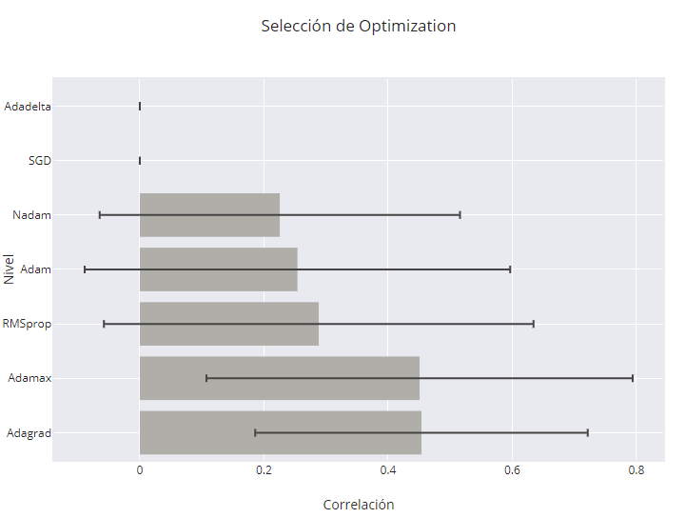
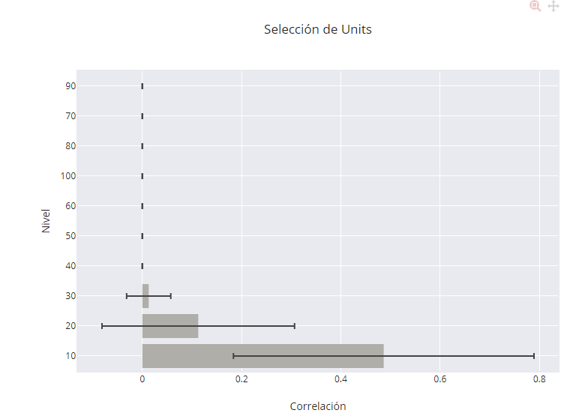
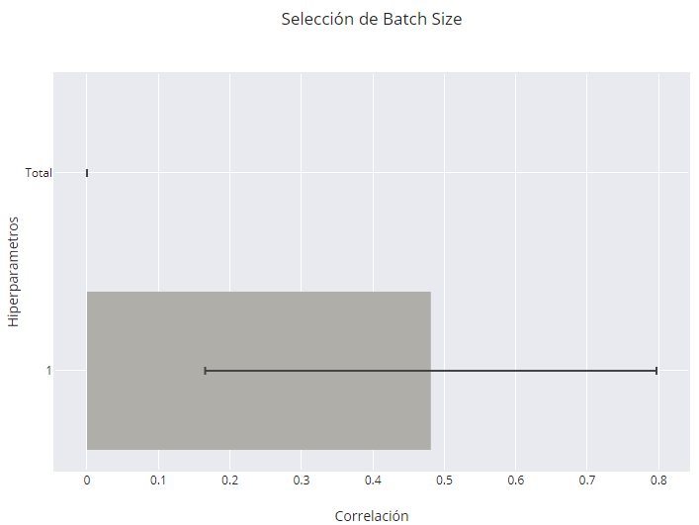
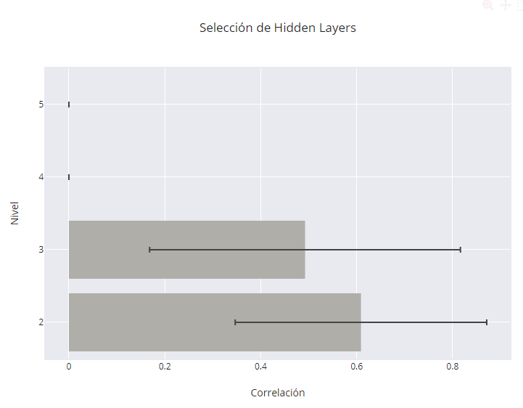
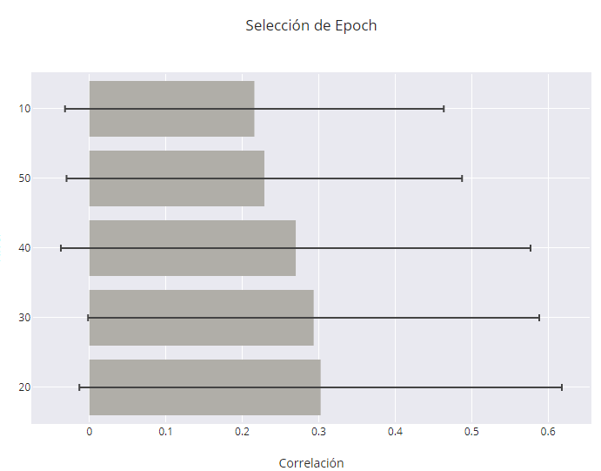
Epochs | M Z | DE Z | M R | DE R
20 | 0.31235913006 | 0.32671328824 | 0.30258176229 | 0.31556443577
30 | 0.30234491678 | 0.3041602524 | 0.29345706365 | 0.29511518279
40 | 0.27686782123 | 0.31752549005 | 0.27000370707 | 0.30726774543
50 | 0.2330847768 | 0.26476345536 | 0.22895348267 | 0.2587455293
10 | 0.21931097718 | 0.25308216431 | 0.21586124223 | 0.24781374802

Activation | M Z | DE Z | M R | DE R
tanh | 0.28270719662 | 0.31419289498 | 0.27540879692 | 0.30424670986
hard_sigmoid | 0.13196057666 | 0.20050353932 | 0.13119990534 | 0.19785919502
sigmoid | 0.095394798444 | 0.10881903608 | 0.095106478352 | 0.10839153103
softsign | -3.2846849835E-08 | 1.3931445645E-07 | -3.2846849835E-08 | 1.3931445645E-07
linear |  |  | -3.2846849835E-08 | 1.3931445645E-07
softplus |  |  | -3.2846849835E-08 | 1.3931445645E-07

optimization | M Z | DE Z | M R | DE R
Adagrad | 0.48931783233 | 0.27444995959 | 0.45367483705 | 0.26776065242
Adamax | 0.48561043128 | 0.35776263924 | 0.4507255494 | 0.34324178576
RMSprop | 0.29657379527 | 0.36077887104 | 0.28817404555 | 0.34589990043
Adam | 0.25954790491 | 0.35719529776 | 0.25387262423 | 0.34274118814
Nadam | 0.22944824698 | 0.29875214695 | 0.22550472242 | 0.29017024132
SGD | 4.7473557009E-08 | 1.1266559024E-07 | 4.7473557009E-08 | 1.1266559024E-07
Adadelta | -9.6949243324E-09 | 1.5023345753E-07 | -9.6949243324E-09 | 1.5023345753E-07

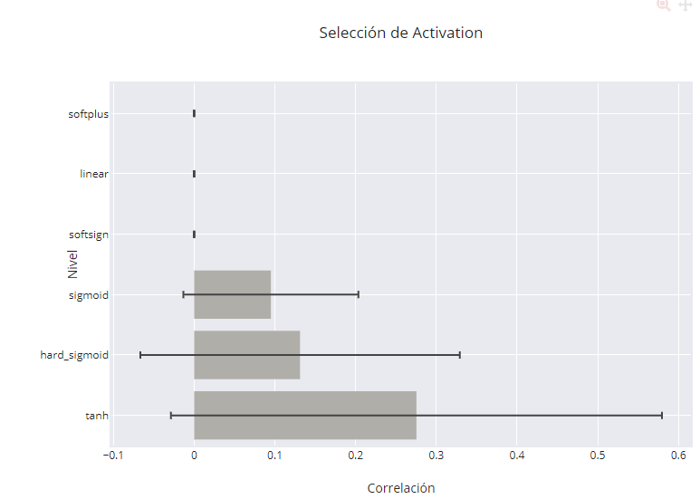
Neurons | M Z | DE Z | M R | DE R
10 | 0.53131254837 | 0.31265465453 | 0.48638377003 | 0.30285020579
20 | 0.11315999504 | 0.19642614779 | 0.11267944477 | 0.19393828482
30 | 0.012854847915 | 0.044530260645 | 0.012854139886 | 0.044500850299
40 | 6.575028215E-08 | 1.4969904489E-07 | 6.575028215E-08 | 1.4969904489E-07
50 | 6.3988339737E-08 | 1.5039460481E-07 | 6.3988339737E-08 | 1.5039460481E-07
60 | 6.3988339737E-08 | 1.5039460481E-07 | 6.3988339737E-08 | 1.5039460481E-07
100 | 6.3988339737E-08 | 1.5039460481E-07 | 6.3988339737E-08 | 1.5039460481E-07
80 | 6.3988339735E-08 | 1.5039460481E-07 | 6.3988339735E-08 | 1.5039460481E-07
70 | 6.3401025597E-08 | 1.5068069511E-07 | 6.3401025597E-08 | 1.5068069511E-07
90 | 6.3401025597E-08 | 1.5068069511E-07 | 6.3401025597E-08 | 1.5068069511E-07

Batch Size | M Z | DE Z | M R | DE R
1 | 0.52449270456 | 0.32686788188 | 0.48116004459 | 0.31570362805
Total | 2.4075351151E-08 | 1.2889220568E-07 | 2.4075351151E-08 | 1.2889220568E-07

hidden_layers | M Z | DE Z | M R | DE R
2 | 0.70767318428 | 0.26848595669 | 0.60921567406 | 0.26221545376
3 | 0.53941664666 | 0.33619833156 | 0.49254626288 | 0.32407920855
4 | 6.3988339737E-08 | 1.5039460481E-07 | 6.3988339737E-08 | 1.5039460481E-07
5 | 6.3988339735E-08 | 1.5039460481E-07 | 6.3988339735E-08 | 1.5039460481E-07

